Info
Compilation of genetic parts and 3G adapters used in this experiment |  |  |  |  |  | * Close this Excel sheet and run the GGA_Parts_Parser.jpynb
Promoter_Parts | RBS_Parts | Gene_of_Interest_Parts | Terminator_Parts | UNS_Context_Parts | Gibson_Backbone_Parts | (It reads the Genbank files from folder 01-06 and prints the found plasmid map names in the corresponding column.)
PH36 | RBS_01 | GFP_CD | TrrnB | UNS1_UNS4_BB | pEVmC(K)_AE | (This table can then be used to simplify the construct planning in the following sheets)
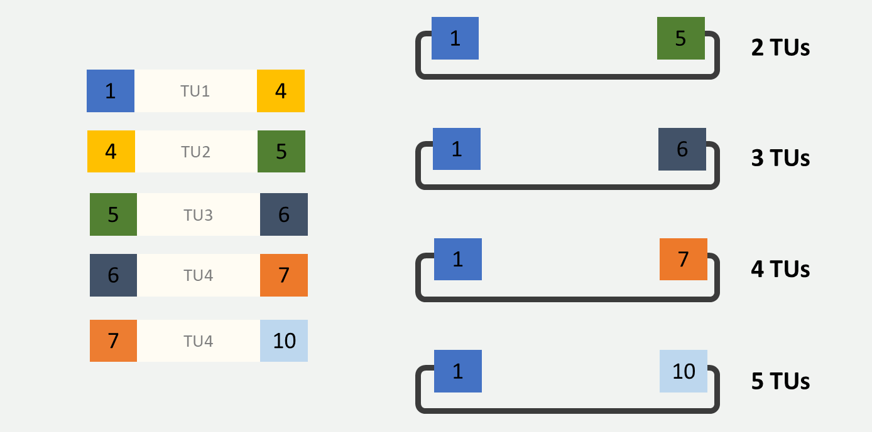
Psyn |  | RFP_CD | TspyM | UNS4_UNS5_BB
Ptuf |  | YFP_CD | TthrM | UNS5_UNS6_BB
 |  |  |  | UNS6_UNS7_BB
 |  |  |  | UNS7_UNS10_BB

 |  |  |  |  |  |  |  | Current Setup that is used in the SynCell lab for 3G Assemblies | All primers in 5' - 3' direction
 |  |  |  |  |  |  |  | 3G Gibson Primer Sequences
 |  |  |  |  |  |  | TU1 | UNS1_Forward | CATTACTCGCATCCATTCTCAGGCTGTCTCGTCTCGTCTC
 |  |  |  |  |  |  |  | UNS4_Reverse | GACTTTGCGTGTTGTCTTACTATTGCTGGCAGGAGGTCAG
 |  |  |  |  |  |  | TU2 | UNS4_Forward | CTGACCTCCTGCCAGCAATAGTAAGACAACACGCAAAGTC
 |  |  |  |  |  |  |  | UNS5_Reverse | CTCTAACGGACTTGAGTGAGGTTGTAAAGGGAGTTGGCTC
 |  |  |  |  |  |  | TU3 | UNS5_Forward | GAGCCAACTCCCTTTACAACCTCACTCAAGTCCGTTAGAG
 |  |  |  |  |  |  |  | UNS6_Reverse | GTATGTGACCGTAGAGTATTCTTAGGTGGCAGCGAACGAG
 |  |  |  |  |  |  | TU4 | UNS6_Forward | CTCGTTCGCTGCCACCTAAGAATACTCTACGGTCACATAC
 |  |  |  |  |  |  |  | UNS7_Reverse | CGAGTAGTTCAGTAGCGGAAATGTCAGAGCCAGCGTCTTG
 |  |  |  |  |  |  | TU5 | UNS7_Forward | CAAGACGCTGGCTCTGACATTTCCGCTACTGAACTACTCG
 |  |  |  |  |  |  |  | UNS10_Reverse | GGTGGAAGGGCTCGGAGTTGTGGTAATCTATGTATCCTGG

 |  |  |  |  |  |  |  | 3G Backbone Amplification Primer
 |  |  |  |  |  |  |  | UNS1A_pEVmC_rev | GAGACGAGACGAGACAGCCTGAGAATGGATGCGAGTAATGCACTAGTCTCTAGAAGCGGCC | Universal Reverse Primer
 |  |  |  |  |  |  | 2 TUs | UNS5_E_pEVmC_fwd | GAGCCAACTCCCTTTACAACCTCACTCAAGTCCGTTAGAGtactagtagcggccgctgcag | Forward Primer for 2 TUs
 |  |  |  |  |  |  | 3 TUs | UNS6_E_pEVmC_fwd | CTCGTTCGCTGCCACCTAAGAATACTCTACGGTCACATACtactagtagcggccgctgcag | Forward Primer for 3 TUs
 |  |  |  |  |  |  | 4 TUs | UNS7_E_pEVmC_fwd | CAAGACGCTGGCTCTGACATTTCCGCTACTGAACTACTCGtactagtagcggccgctgcag | Forward Primer for 4 TUs
 |  |  |  |  |  |  | 5 TUs | UNS10_E_pEVmC_fwd | CCAGGATACATAGATTACCACAACTCCGAGCCCTTCCACCTACTAGTAGCGGCCGCTG | Forward Primer for 5 TUs

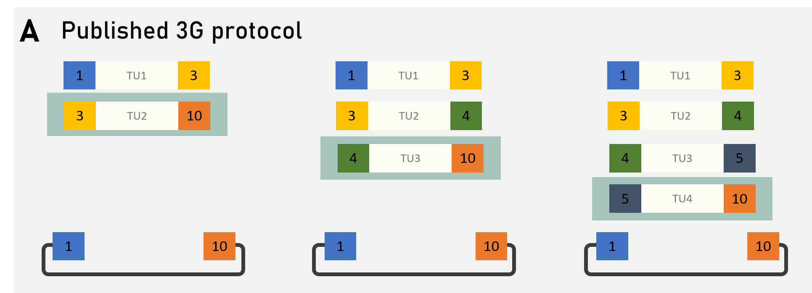

 |  |  |  |  |  |  |  |  | All primers in 5' - 3' direction
 |  |  |  |  |  |  |  | 3G Gibson Primer Sequences | 2 TUs
 |  |  |  |  |  |  |  | UNS1_Forward | cattactcgcatccattctcaggctgtctcgtctcgtctc
 |  |  |  |  |  |  |  | UNS3_Reverse | cgaccttgatgtttccagtgcgattgaggaccttcagtgc
 |  |  |  |  |  |  |  | UNS3_Forward | gcactgaaggtcctcaatcgcactggaaacatcaaggtcg
 |  |  |  |  |  |  |  | UNS10_Reverse | ggtggaagggctcggagttgtggtaatctatgtatcctgg

 |  |  |  |  |  |  |  | 3G Gibson Primer Sequences | 3 TUs
 |  |  |  |  |  |  |  | UNS1_Forward | cattactcgcatccattctcaggctgtctcgtctcgtctc
 |  |  |  |  |  |  |  | UNS3_Reverse | cgaccttgatgtttccagtgcgattgaggaccttcagtgc
 |  |  |  |  |  |  |  | UNS3_Forward | gcactgaaggtcctcaatcgcactggaaacatcaaggtcg
 |  |  |  |  |  |  |  | UNS4_Reverse | GACTTTGCGTGTTGTCTTACTATTGCTGGCAGGAGGTCAG
 |  |  |  |  |  |  |  | UNS4_Forward | CTGACCTCCTGCCAGCAATAGTAAGACAACACGCAAAGTC
 |  |  |  |  |  |  |  | UNS10_Reverse | ggtggaagggctcggagttgtggtaatctatgtatcctgg

 |  |  |  |  |  |  |  | 3G Gibson Primer Sequences | 4 TUs
 |  |  |  |  |  |  |  | UNS1_Forward | cattactcgcatccattctcaggctgtctcgtctcgtctc
 |  |  |  |  |  |  |  | UNS3_Reverse | cgaccttgatgtttccagtgcgattgaggaccttcagtgc
 |  |  |  |  |  |  |  | UNS3_Forward | gcactgaaggtcctcaatcgcactggaaacatcaaggtcg
 |  |  |  |  |  |  |  | UNS4_Reverse | GACTTTGCGTGTTGTCTTACTATTGCTGGCAGGAGGTCAG
 |  |  |  |  |  |  |  | UNS4_Forward | CTGACCTCCTGCCAGCAATAGTAAGACAACACGCAAAGTC
 |  |  |  |  |  |  |  | UNS5_Reverse | CTCTAACGGACTTGAGTGAGGTTGTAAAGGGAGTTGGCTC
 |  |  |  |  |  |  |  | UNS5_Forward | GAGCCAACTCCCTTTACAACCTCACTCAAGTCCGTTAGAG
 |  |  |  |  |  |  |  | UNS10_Reverse | ggtggaagggctcggagttgtggtaatctatgtatcctgg

 |  |  |  |  |  |  |  | 3G Backbone Amplification Primer
 |  |  |  |  |  |  |  | UNS10E_pEVmC_fwd | CCAGGATACATAGATTACCACAACTCCGAGCCCTTCCACCtactagtagcggccgctg
 |  |  |  |  |  |  |  | UNS1A_pEVmC_rev | GAGACGAGACGAGACAGCCTGAGAATGGATGCGAGTAATGCACTAGTCTCTAGAAGCGGCC

